START HERE
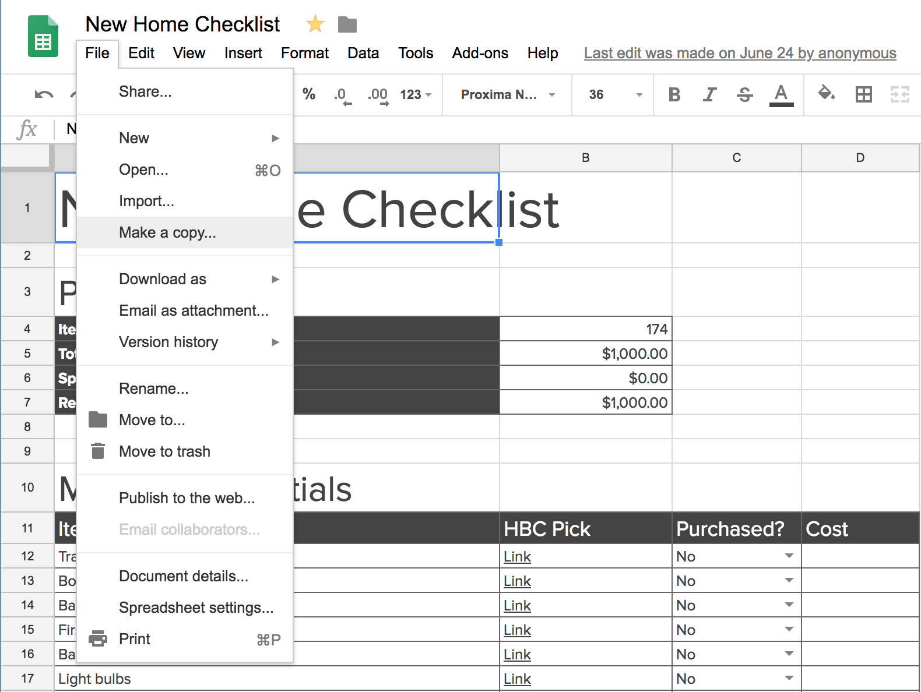
To edit the checklist, make a copy and save it to your drive - see screenshot below.

New Home Checklist
New Home Checklist

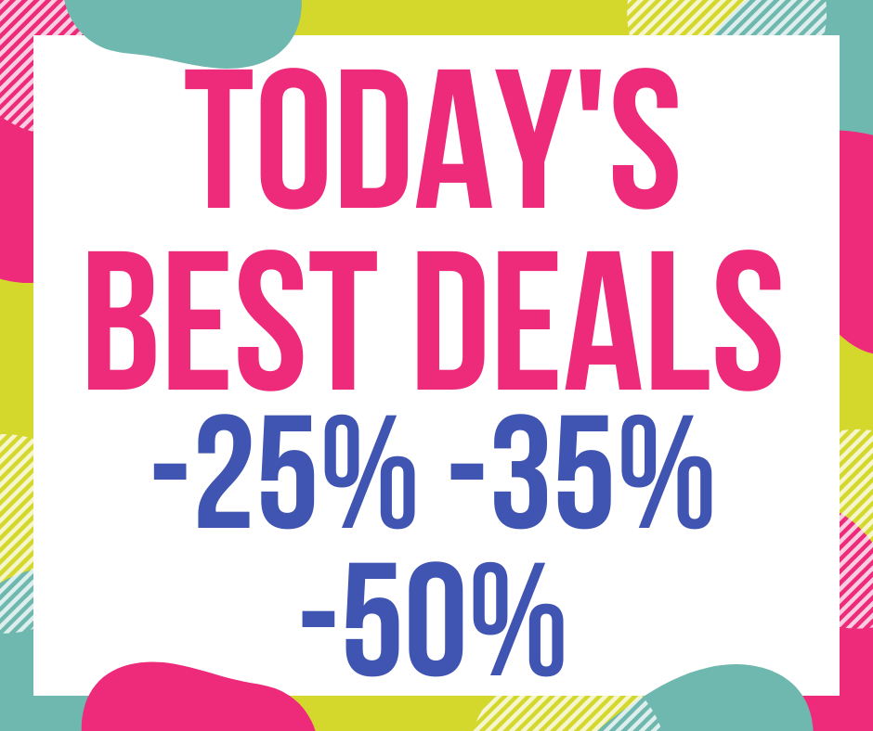 | https://homebuyingchecklist.co/todays-best-deals/
Planning
Items left to purchase | 174
Total Budget | $1,000.00
Spent | $0.00
Remaining budget | $1,000.00

Move In Essentials
Item | HBC Pick | Purchased? | Cost
Trash bags | Best Deals | No
Box cutter | Best Deals | No
Basic Tool Kit | Best Deals | No
First aid kit | Best Deals | No
Batteries | Best Deals | No
Light bulbs | Best Deals | No
Toilet paper | Best Deals | No
Replacement Front Door Lock | Best Deals | No
Security Safe | Best Deals | No
Total Cost |  |  | 0

Smart Home & Technology
Item | HBC Pick | Purchased? | Cost
Modem | Best Deals | No
Router | Best Deals | No
Voice Assistant | Best Deals | No
Smart Thermostat | Best Deals | No
Smart Door Lock | Best Deals | No
Home Security Cameras | Best Deals | No
Power Strips | Best Deals | No
Ethernet Cables | Best Deals | No
Streaming devices | Best Deals | No
Stream services | Netflix Amazon Prime Video SlingTV HBO Shotime | No
Total Cost |  |  | 0

Kitchenware
See our complete list of recommendations here.

Item | HBC Pick | Purchased? | Cost
Silverware sets | Best Deals | No
Steak knives | Best Deals | No
Silverware organizer | Best Deals | No
Plates | Best Deals | No
Bowls | Best Deals | No
Serving platters | Best Deals | No
Glasses | Best Deals | No
Coffee mugs | Best Deals | No
Wine glasses | Best Deals | No
Tongs | Best Deals | No
Spatulas | Best Deals | No
Ladles and Skimmer | Best Deals | No
Whisks | Best Deals | No
Utensil holder | Best Deals | No
Knives | Best Deals | No
Cutting board | Best Deals | No
Pots | Best Deals | No
Pans | Best Deals
Baking sheets | Best Deals | No
Tupperware | Best Deals | No
Bottle Opener & Corkscrew | Best Deals | No
Measuring Cups / spoons | Best Deals | No
Total Cost |  |  | 0

Kitchen Appliances
Item | HBC Pick | Purchased? | Cost
Pressure cooker | Best Deals | No
Toaster oven | Best Deals | No
Microwave | Best Deals | No
Coffee Maker | Best Deals | No
Coffee Grinder | Best Deals | No
Kettle | Best Deals | No
Blender | Best Deals | No
Colander | Best Deals | No
Salad spinner | Best Deals | No
Total Cost |  |  | 0

Kitchen Essentials
Item | HBC Pick | Purchased? | Cost
Trash can & bags | Best Deals | No
Step stool | Best Deals | No
Magnetic hooks | Best Deals | No
Sponges | Best Deals | No
Dish soap | Best Deals | No
Drying rack | Best Deals | No
Dish towels | Best Deals | No
Napkins | Best Deals | No
Paper Towels | Best Deals | No
Aluminum foil, wax paper, plastic wrap, and parchment paper | Best Deals | No
Plastic bags | Best Deals | No
Ice cube trays | Best Deals | No
Can opener | Best Deals | No
Oven mits | Best Deals | No
Cooling mat | Best Deals | No
Kitchen rug / Standing mat | Best Deals | No
Total Cost |  |  | 0

Living Room
Item | HBC Pick | Purchased? | Cost
Television | Best Deals | No
Sound bar | Best Deals | No
TV stand or Media center | Best Deals | No
Couch | Best Deals | No
Coffee table | Best Deals | No
Coasters | Best Deals | No
Other Seating | Best Deals | No
Side Table | Best Deals | No
Bookshelf | Best Deals | No
Throw pillows | Best Deals | No
Throw blanket | Best Deals | No
Area Rug | Best Deals | No
Total Cost |  |  | 0

House Care & Maintenance
Item | HBC Pick | Purchased? | Cost
Vacuum Cleaner | Best Deals | No
Rags | Best Deals | No
Paper towels | Best Deals | No
Windex | Best Deals | No
Clorox wipes | Best Deals | No
Stove cleaner | Best Deals | No
Rubber Gloves | Best Deals | No
Laundry detergent, fabric softener, stain remover, bleach | Best Deals | No
Iron + ironing board | Best Deals | No
Trash bags | Best Deals | No
Broom + dust pan | Best Deals | No
Extension cords | Best Deals | No
Surge protectors | Best Deals | No
Screwdrivers | Best Deals | No
Hammer | Best Deals | No
Box cutter | Best Deals | No
Pliers | Best Deals | No
Socket wrench set | Best Deals | No
Power Drill | Best Deals | No
Duct tape | Best Deals | No
WD-40 | Best Deals | No
Picture hanging kit | Best Deals | No
Flashlight | Best Deals | No
Batteries | Best Deals | No
Candles | Best Deals | No
Matches | Best Deals | No
Light bulbs | Best Deals | No
Total Cost |  |  | 0

Bathroom
Item | HBC Pick | Purchased? | Cost
Shower curtain | Best Deals | No
Curtain rod + hanging rings | Best Deals | No
Shower caddy | Best Deals | No
Hand soap | Best Deals | No
Toothbrush holder | Best Deals | No
Toilet paper | Best Deals | No
Toilet brush | Best Deals | No
Plunger | Best Deals | No
Bath mats | Best Deals | No
Bathroom scale | Best Deals | No
Trash can + bags | Best Deals | No
Air freshener or candles | Best Deals | No
Tissues | Best Deals | No
Towels | Best Deals | No
Towel hooks | Best Deals | No
Wash cloths | Best Deals | No
Total Cost |  |  | 0

Bedroom
Item | HBC Pick | Purchased? | Cost
Mattress | Best Deals | No
Bed frame | Best Deals | No
Pillows | Best Deals | No
Mattress pad | Best Deals | No
Sheet sets | Best Deals | No
Comforter + duvet cover | Best Deals | No
Full length mirror | Best Deals | No
Night stand | Best Deals | No
Lamp | Best Deals | No
Dresser | Best Deals | No
Laundry hamper | Best Deals | No
Trash can + bags | Best Deals | No
Curtains | Best Deals | No
Alarm clock – wake up light | Best Deals | No
Under bed storage | Best Deals | No
Fan + Space heater | Best Deals | No
Total Cost |  |  | 0

Closet
Item | HBC Pick | Purchased? | Cost
Hangers | Best Deals | No
Door hooks | Best Deals | No
Hanging closet rod | Best Deals | No
Shoe rack | Best Deals | No
Hanging shelves | Best Deals | No
Shelf organizers | Best Deals | No
Storage bins | Best Deals | No
Door mirror | Best Deals | No
Drawer organizers | Best Deals | No
Space saver bags | Best Deals | No
Large bins | Best Deals | No
Total Cost |  |  | 0

Entryway
Item | HBC Pick | Purchased? | Cost
Welcome mat | Best Deals | No
Area rug | Best Deals | No
Hat + coat rack | Best Deals | No
Small bench or table | Best Deals | No
Key hooks | Best Deals | No
Lamp | Best Deals | No
Mail organizer | Best Deals | No
Total Cost |  |  | 0

Dining Room
Item | HBC Pick | Purchased? | Cost
Table + chairs | Best Deals | No
Table cloth | Best Deals | No
Table runner | Best Deals | No
Place mats | Best Deals | No
Candles | Best Deals | No
Total Cost |  |  | 0

Home Office
Item | HBC Pick | Purchased? | Cost
Desk | Best Deals | No
Desk chair | Best Deals | No
Computer monitors | Best Deals | No
Filing cabinet | Best Deals | No
Book shelf | Best Deals | No
Trash can + bags | Best Deals | No
Whiteboard + markers | Best Deals | No
Office Supplies | Best Deals | No
Pens + pencils | Best Deals | No
Desktop pen holder | Best Deals | No
Post-its | Best Deals | No
Printer Paper | Best Deals | No
Batteries | Best Deals | No
Extension cord | Best Deals | No
Surge protector | Best Deals | No
Total Cost |  |  | 0

